Main
CRISPR/Cas9
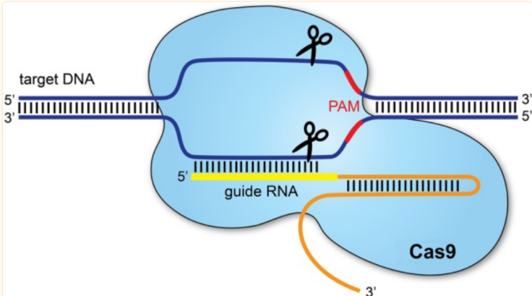

 | Clustered Regulary Interspaced Palindromic Repeats
 | Genome-editing
 | 2 essential components:
 | 1.a guide RNA to match a desired target gene
 | 2.CAS 9 (CRISPR associated protein 9)
 | -> an endonuclease which causes a double-standed
 | DNA break

 | Links:
 | https://www.ncbi.nlm.nih.gov/pmc/articles/PMC4975809/
 | https://www.yourgenome.org/theme/what-is-crispr-cas9/#:~:text=CRISPR%2DCas9%20is%20a%20unique,buzz%20in%20the%20science%20world.
 | https://www.synthego.com/learn/crispr
 | https://www.nature.com/articles/nprot.2013.143

